Sheet1
2008 Toyota Rav4 Sport 2.4
MAINTENANCE, TESTING AND INSPECTION/FLUID BRAKE
Your Vehicle: 2008 Toyota Truck RAV4 2WD L4-2.4L (2AZ-FE)

 | Vehicle » Brakes and Traction Control » Brake Bleeding » Service and Repair » Bleeding

 | Bleeding

BRAKE: BRAKE FLUID: BLEEDING

BLEEDING
HINT: If any work is performed on the brake system or if air in the brake lines is suspected, bleed air from the brake system.
NOTE: Wash off brake fluid immediately if it comes in contact with any painted surface.

1. REMOVE COWL TOP VENTILATOR LOUVER BRACKET LH

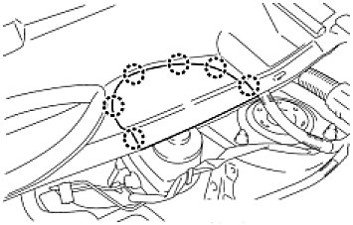

(a) | Detach the 6 claws and remove the bracket.

2. FILL RESERVOIR WITH BRAKE FLUID

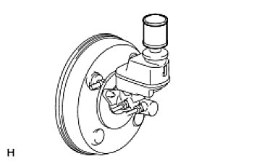

(a) | Set the brake fluid can upside down on the reservoir.
Fluid:
SAE J1703 or FMVSS No. 116 DOT3

Make sure there is sufficient brake fluid in the can.
After adding brake fluid, make sure the reservoir is sufficiently full.

3. BLEED AIR FROM BRAKE MASTER CYLINDER HINT: If the master cylinder has been disassembled or if the reservoir becomes empty, bleed air from the master cylinder.

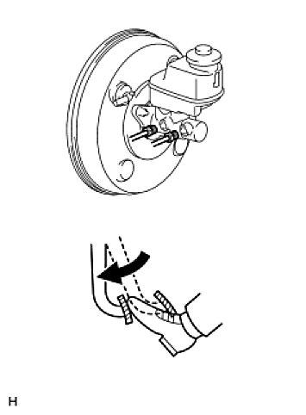

(a) | Using SST, disconnect the 2 brake lines from the master cylinder.
SST: 09023-00101
(b) | Slowly depress and hold the brake pedal.
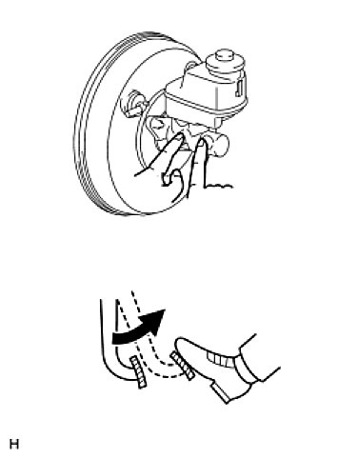

(c) | Block the outer holes with your fingers, and release the pedal.
(d) | Repeat the 2 previous steps 3 or 4 times.
(e) | Using SST, connect the 2 brake lines to the master cylinder.
SST: 09023-00101
Torque: 15.2 Nm (155 kgf-cm, 11 ft-lbf)without SST
Torque: 14 Nm (144 kgf-cm, 10 ft-lbf)with SST
HINT: Use a torque wrench with a fulcrum length of 30 cm (11.81 in.).

4. BLEED AIR FROM BRAKE LINE

(a) | Remove the bleeder plug cap.
(b) | Connect the vinyl tube to the bleeder plugs.
(c) | Depress the brake pedal several times, and then loosen the bleeder plug with the pedal depressed.
(d) | When fluid stops coming out, immediately tighten the bleeder plug. Then release the pedal.
(e) | Repeat the 2 previous steps until all the air in the brake fluid is gone.
(f) | Tighten the bleeder plug.
Torque: 8.3 Nm (85 kgf-cm, 73 in-lbf)
(g) | Install the cap.
(h) | Bleed air from the brake line for each wheel by repeating the above procedures.

5. BLEED AIR FROM ABS AND TRACTION ACTUATOR ASSEMBLY NOTE: After bleeding the air from the brake system, if the height or feel of the brake pedal cannot be obtained, perform air bleeding of the brake actuator with the Techstream by following the procedure below.

(a) | Depress the brake pedal more than 20 times with the engine off.
(b) | Connect the Techstream to the DLC3, and turn the ignition switch ON.
 | NOTE: Do not start the engine.
(c) | Select AIR BLEEDING on the Techstream.
 | HINT: Refer to the Techstream operator's manual for further details.
(d) | Bleed the air out of the suction line.
 | NOTICE:

Perform the bleeding at the right front wheel and right rear wheel.
Bleed the air by following the steps displayed on the Techstream.

 | -1 | Connect a vinyl tube to the bleeder plug at the right front wheel or the right rear wheel.
 | -2 | Loosen the bleeder plug.
 | -3 | Operate the brake actuator to bleed the air using the Techstream.
 | NOTE: Release the brake pedal at this time.
 | HINT: This operation stops automatically after 4 seconds.
 | -4 | Check if the operation has stopped by referring to the Techstream display.
 | -5 | Temporarily tighten the bleeder plug.
 | -6 | Repeat the 4 previous steps until all air in the fluid is completely bled out.
 | -7 | Tighten the bleeder plug.
 |  | Torque: 8.3 Nm (85 kgf-cm, 73 in-lbf)
 | -8 | Repeat all of the above procedures for the right rear wheel to bleed the air out of the suction line.
(e) | Bleed the air out of the pressure reduction line.
 | NOTICE:

Perform the bleeding at the 4 wheels.
Bleed the air by following the steps displayed on the Techstream.

-1 | Connect a vinyl tube to either one of the bleeder plugs.
-2 | Loosen the bleeder plug.
-3 | Using the Techstream, operate the brake actuator assembly, completely depress the brake pedal and hold it there.
NOTICE:

During this procedure, the pedal will feel heavy, but completely depress it so that the brake fluid comes out of the bleeder plug.
Depress and hold the brake pedal. Do not depress and release the pedal repeatedly. HINT: The operation stops automatically after 4 seconds. When performing this procedure continuously, set an interval of at least 20 seconds.

-4 | Tighten the bleeder plug, then release the brake pedal.
-5 | Repeat the 3 previous steps until all air in the fluid is completely bled out.
-6 | Tighten the bleeder plug.
 | Torque: 8.3 Nm (85 kgf-cm, 73 in-lbf)
-7 | Repeat all of the above procedures for the other wheels to bleed the air out of the pressure reduction line.

6. CHECK BRAKE FLUID LEVEL IN RESERVOIR See: On-Vehicle Inspection
7. INSTALL COWL TOP VENTILATOR LOUVER BRACKET LH

(a) | Attach the 6 claws to install the bracket.

